Sheet1
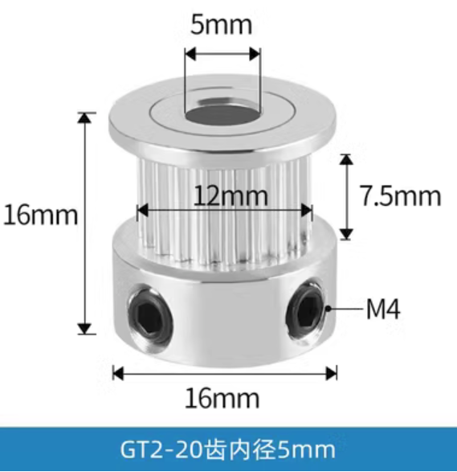
同步带轮 | https://item.taobao.com/item.htm?ut_sk=1.YAP4d9bvrxsDAP48hY91CarH_21380790_1695373356971.TaoPassword-Weixin.ShareGlobalNavigation_1&id=625483500699&sourceType=item&suid=EC597C56-7CCF-42BB-A9AE-7750E028E219&un=21518863eeb82dc32ea862e4dea169e7&share_crt_v=1&un_site=0&spm=a2159r.13376460.0.0&sp_abtk=gray_ShareGlobalNavigation_1_code_simpleios2&tbSocialPopKey=shareItem&sp_tk=MmFId2RBRGlQUWE%3D&cpp=1&shareurl=true&short_name=h.5fQArqI&bxsign=scdmpxZ6A1BYy3AKZ7j_LTMPVWVZ5ETTh2sMlYbWfJuAHpvD4DUj42Pcp9lAOYrdvLdpbe_3gEXAZ60hqLWtlaxs6yD8UEn2URFwhon28m2osZsAw8eFJr_pqtDKALd79uQ&tk=2aHwdADiPQa&app=firefox

